Instructions
POWER TRUNK LEG CALCULATOR
PREPARED BY: M. Walsh & J. Traber, SI Academy, Buffalo Grove, Illinois

How to Use This Tool

1
 | Fill in Riser information

2
 | Select wire gage from dropdown (NOTE: First row for data entry will not appear until AWG value is entered)

3
 | Fill in Box ID for 1st Terminal Box being supplied from this Component Panel

4
 | Fill in VA load for this Box

5
 | Fill in wire length from previous connection to this box. (NOTE: Must include length of wire from conduit to this box as well!)

6
 | The remaining columns will populate automatically The final column will display the total "End of Line Voltage" at that box This value will change as you add boxes

7
 | A) Once the EOLV (Column 7) drops below 19.2 VA (20.4 for DXR) or Cumulative VA (Column 4) exceeds 100 VA, the offensive value will be hi-lited in RED and the first three columns will be hi-lited in yellow indicating that this box cannot be added to this riser. B) Delete the values from the first three columns most recently added and move them to the table on the next tab. (NOTE: Don’t try to cut and paste these values, as that will cause your table to look sloppy. You will want to cut and paste this table into your AutoCAD drawing later)

8
 | Once you've removed the excessive Box, you can cut and paste the entire table into your AutoCAD drawing.

GENERAL NOTES:
1) Ohms/ft value taken from APOGEE Wiring Guidelines for Field Panels and Equipment Controllers, Rev 8
(Power Trunk Layout). These values include the return run.
2) Although Worksheets are protected, you can still review the formulas used by selecting the appropriate cell.
3) Worksheet protection is NOT "password" protected. You can make changes as you see fit. If you make
significant changes that may benefit others, please forward a copy to michael.a.walsh@siemens.com or
john.traber@siemens.com so that we can update the original.
4) If your riser has one or more "Tee's" use one of the additional tables for each "Run."
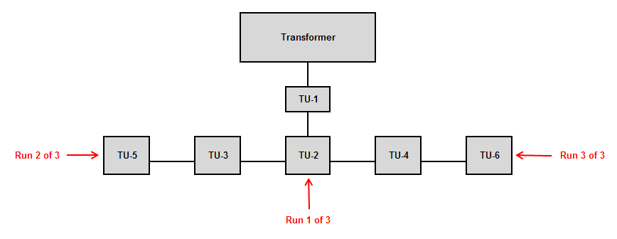
5) If your project requires more then 5 risers, copy additional worksheets to the Workbook as necessary.
6) Once data has been entered into the Worksheet, you can change the AWG value to see "what if" you had
selected a different AWG value. A lower value may allow a greater number of boxes to be included on the same
riser.
7) When finished using this tool, place a copy in the Design Tool "Jobs" document folder to keep with the job.

(Rev. 4, March 2017)

